Market wise KH-24 sales
 |  | Market wise KH-24 Sales
 |  |  |  |  |  |  |  | Figures in 000’ packets
Market (PO Name) | Potential Kh 22 ‘000 PKTs | Sales KH-22 ‘000PKTs | MS% | Potential Kh 23 ‘000 PKTs | Sales KH-23 PKTs | MS% | Potential Kh 24 | Plan KH-24 | Sales KH-24 | MS%
Achampet​ (Mahesh) | 150000 | 15491 |  | 150000 | 3411 |  | 150000 | 25000 | 5410
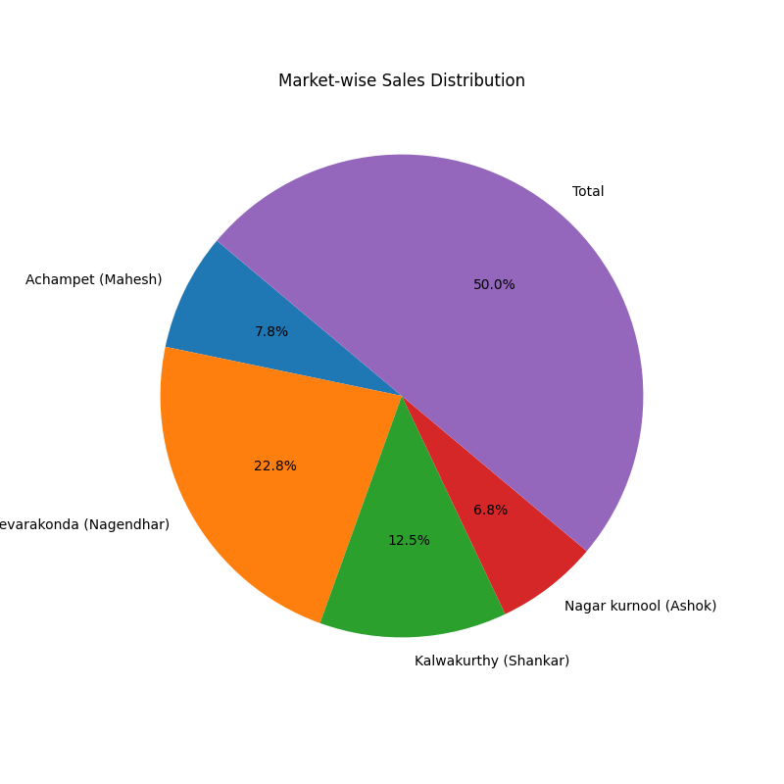
Devarakonda​ (Nagendhar) | 280000 | 44914 |  | 230000 | 13243 |  | 210000 | 32000 | 16806
Kalwakurthy​ (Shankar) | 150000 | 24754 |  | 125000 | 7399 |  | 100000 | 25000 | 4855
Nagar kurnool​ (Ashok) | 120000 | 13510 |  | 80000 | 3464 |  | 70000 | 20000 | 3130
Total

